Question 1
Sport Analysis

Question 1 .Are there any trends or patterns in the frequency of hosting Olympic Games? |  |  | Conclusion

 |  | The frequency of hosting Olympic Games shows a balance between continuity (with some cities hosting multiple times) and rotation (with a variety of host cities over time), reflecting the diverse and evolving nature of the Olympic movement.
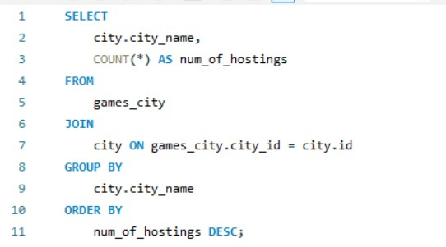

frequency of hosting Olympic Games
city_name | num_of_hostings
London | 3
Athina | 3
Lake Placid | 2
Los Angeles | 2
Paris | 2
Innsbruck | 2
Stockholm | 2
Sankt Moritz | 2
Calgary | 1
Barcelona | 1
Lillehammer | 1
Salt Lake City | 1
Helsinki | 1
Albertville | 1
Sydney | 1
Atlanta | 1
Sochi | 1
Nagano | 1
Beijing | 1
Rio de Janeiro | 1
Squaw Valley | 1
Torino | 1
Sarajevo | 1
Mexico City | 1
Munich | 1
Seoul | 1
Berlin | 1
Oslo | 1
Cortina d'Ampezzo | 1
Melbourne | 1
Roma | 1
Amsterdam | 1
Montreal | 1
Moskva | 1
Tokyo | 1
Vancouver | 1
Grenoble | 1
Sapporo | 1
Chamonix | 1
St. Louis | 1
Antwerpen | 1
Garmisch-Partenkirchen | 1

Question 2
Question 2 . How has the duration of Olympic Games changed over time?

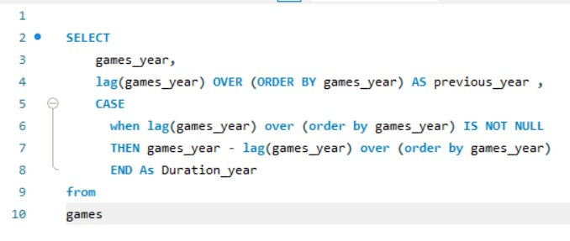
 |  |  | Over time, the length of the Olympic Games has changed. At first, they were sometimes shorter, sometimes longer, ranging from 2 to 8 years. But since the mid-20th century, they've mostly stayed the same, lasting about 2 weeks each time. This makes it easier for athletes and organizers to plan ahead and know what to expect.

duration of Olympic Games changed over time
games_year | previous_year | Duration_year
1896 | NULL | NULL
1900 | 1896 | 4
1904 | 1900 | 4
1906 | 1904 | 2
1908 | 1906 | 2
1912 | 1908 | 4
1920 | 1912 | 8
1924 | 1920 | 4
1924 | 1924 | 0
1928 | 1924 | 4
1928 | 1928 | 0
1932 | 1928 | 4
1932 | 1932 | 0
1936 | 1932 | 4
1936 | 1936 | 0
1948 | 1936 | 12
1948 | 1948 | 0
1952 | 1948 | 4
1952 | 1952 | 0
1956 | 1952 | 4
1956 | 1956 | 0
1960 | 1956 | 4
1960 | 1960 | 0
1964 | 1960 | 4
1964 | 1964 | 0
1968 | 1964 | 4
1968 | 1968 | 0
1972 | 1968 | 4
1972 | 1972 | 0
1976 | 1972 | 4
1976 | 1976 | 0
1980 | 1976 | 4
1980 | 1980 | 0
1984 | 1980 | 4
1984 | 1984 | 0
1988 | 1984 | 4
1988 | 1988 | 0
1992 | 1988 | 4
1992 | 1992 | 0
1994 | 1992 | 2
1996 | 1994 | 2
1998 | 1996 | 2
2000 | 1998 | 2
2002 | 2000 | 2
2004 | 2002 | 2
2006 | 2004 | 2
2008 | 2006 | 2
2010 | 2008 | 2
2012 | 2010 | 2
2014 | 2012 | 2
2016 | 2014 | 2

Question 3
Question 3 . Are there any notable events or occurrences associated with specific Olympic Games?

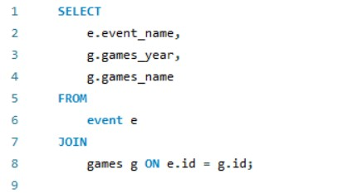
 |  |  | In conclusion, the Olympics serve as a platform not only for athletic competitions but also for showcasing the evolution of sports, cultural aspects, and advancements in gender inclusion and technical aspects over time.

Notable events or occurrences associated with specific Olympic Games
event_name | games_year | games_name
Basketball Men's Basketball | 1992 | 1992 Summer
Judo Men's Extra-Lightweight | 2012 | 2012 Summer
Football Men's Football | 1920 | 1920 Summer
Tug-Of-War Men's Tug-Of-War | 1900 | 1900 Summer
Speed Skating Women's 500 metres | 1988 | 1988 Winter
Speed Skating Women's 1,000 metres | 1992 | 1992 Winter
Cross Country Skiing Men's 10 kilometres | 1994 | 1994 Winter
Cross Country Skiing Men's 50 kilometres | 1932 | 1932 Summer
Cross Country Skiing Men's 10/15 kilometres Pursuit | 2002 | 2002 Winter
Cross Country Skiing Men's 4 x 10 kilometres Relay | 1952 | 1952 Summer
Cross Country Skiing Men's 30 kilometres | 1980 | 1980 Winter
Athletics Women's 100 metres | 2000 | 2000 Summer
Athletics Women's 4 x 100 metres Relay | 1996 | 1996 Summer
Ice Hockey Men's Ice Hockey | 1912 | 1912 Summer
Swimming Men's 400 metres Freestyle | 1924 | 1924 Summer
Badminton Men's Singles | 2014 | 2014 Winter
Sailing Women's Windsurfer | 1948 | 1948 Summer
Biathlon Women's 7.5 kilometres Sprint | 1998 | 1998 Winter
Swimming Men's 200 metres Breaststroke | 2006 | 2006 Winter
Swimming Men's 400 metres Breaststroke | 2008 | 2008 Summer
Gymnastics Men's Individual All-Around | 2016 | 2016 Summer
Gymnastics Men's Team All-Around | 2004 | 2004 Summer
Gymnastics Men's Floor Exercise | 1960 | 1960 Winter
Gymnastics Men's Horse Vault | 1964 | 1964 Winter
Gymnastics Men's Parallel Bars | 1984 | 1984 Winter
Gymnastics Men's Horizontal Bar | 1984 | 1984 Summer
Gymnastics Men's Rings | 1968 | 1968 Summer
Gymnastics Men's Pommelled Horse | 1972 | 1972 Summer
Athletics Men's Shot Put | 1988 | 1988 Summer
Art Competitions Mixed Sculpturing, Unknown Event | 1936 | 1936 Summer
Alpine Skiing Men's Downhill | 1952 | 1952 Winter
Alpine Skiing Men's Super G | 1956 | 1956 Winter
Alpine Skiing Men's Giant Slalom | 1956 | 1956 Summer
Alpine Skiing Men's Slalom | 1960 | 1960 Summer
Alpine Skiing Men's Combined | 1928 | 1928 Summer
Handball Women's Handball | 1976 | 1976 Summer
Weightlifting Women's Super-Heavyweight | 1980 | 1980 Summer
Wrestling Men's Light-Heavyweight, Greco-Roman | 1964 | 1964 Summer
Speed Skating Men's 500 metres | 2010 | 2010 Winter
Speed Skating Men's 1,500 metres | 1968 | 1968 Winter
Gymnastics Men's Team All-Around, Free System | 1972 | 1972 Winter
Luge Women's Singles | 1976 | 1976 Winter
Water Polo Men's Water Polo | 1924 | 1924 Winter
Sailing Mixed Three Person Keelboat | 1904 | 1904 Summer
Hockey Women's Hockey | 1906 | 1906 Summer
Rowing Men's Lightweight Double Sculls | 1928 | 1928 Winter
Athletics Men's Pole Vault | 1908 | 1908 Summer
Athletics Men's High Jump | 1948 | 1948 Winter
Sailing Men's Two Person Dinghy | 1932 | 1932 Winter
Athletics Men's 1,500 metres | 1936 | 1936 Winter
Bobsleigh Men's Four | 1896 | 1896 Summer

Question 4
Question 4 . Are there any emerging sports that have been recently added to the Olympics?

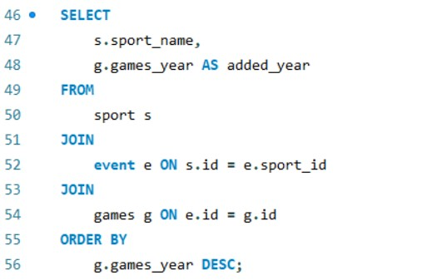 |  | In recent years, the Olympic Games have welcomed new sports into their lineup, such as Badminton in 2014, Judo in 2012, and Gymnastics in 2016. This illustrates the Olympic Committee's readiness to embrace emerging sports, demonstrating a commitment to adaptability and inclusivity in reflecting the evolving landscape of athletic competition.

emerging sports that have been recently added
sport_name | added_year
Gymnastics | 2016
Badminton | 2014
Judo | 2012
Speed Skating | 2010
Swimming | 2008
Swimming | 2006
Gymnastics | 2004
Cross Country Skiing | 2002
Athletics | 2000
Biathlon | 1998
Athletics | 1996
Cross Country Skiing | 1994
Speed Skating | 1992
Basketball | 1992
Athletics | 1988
Speed Skating | 1988
Gymnastics | 1984
Gymnastics | 1984
Weightlifting | 1980
Cross Country Skiing | 1980
Handball | 1976
Luge | 1976
Gymnastics | 1972
Gymnastics | 1972
Gymnastics | 1968
Speed Skating | 1968
Gymnastics | 1964
Wrestling | 1964
Alpine Skiing | 1960
Gymnastics | 1960
Alpine Skiing | 1956
Alpine Skiing | 1956
Cross Country Skiing | 1952
Alpine Skiing | 1952
Sailing | 1948
Athletics | 1948
Art Competitions | 1936
Athletics | 1936
Cross Country Skiing | 1932
Sailing | 1932
Alpine Skiing | 1928
Rowing | 1928
Swimming | 1924
Water Polo | 1924
Football | 1920
Ice Hockey | 1912
Athletics | 1908
Hockey | 1906
Sailing | 1904
Tug-Of-War | 1900
Bobsleigh | 1896

Question 5
Question 5 . How has the popularity of certain sports changed over the years?

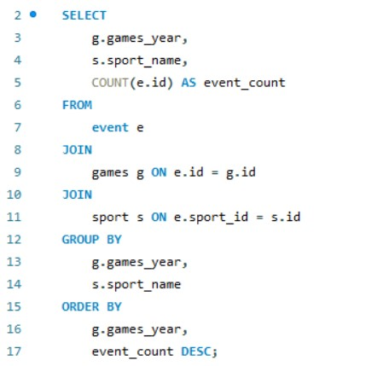
 |  |  | Over the years, the popularity of sports in the Olympic Games has seen shifts. While traditional sports like Athletics and Gymnastics have remained consistently popular, newer additions such as Badminton, Judo, and Speed Skating have also gained traction. This highlights the Olympics' ability to adapt to evolving sporting interests, showcasing a blend of tradition and innovation that contributes to the event's enduring appeal.

games_year | sport_name | event_count
1896 | Bobsleigh | 1
1900 | Tug-Of-War | 1
1904 | Sailing | 1
1906 | Hockey | 1
1908 | Athletics | 1
1912 | Ice Hockey | 1
1920 | Football | 1
1924 | Water Polo | 1
1924 | Swimming | 1
1928 | Alpine Skiing | 1
1928 | Rowing | 1
1932 | Cross Country Skiing | 1
1932 | Sailing | 1
1936 | Art Competitions | 1
1936 | Athletics | 1
1948 | Sailing | 1
1948 | Athletics | 1
1952 | Cross Country Skiing | 1
1952 | Alpine Skiing | 1
1956 | Alpine Skiing | 2
1960 | Alpine Skiing | 1
1960 | Gymnastics | 1
1964 | Gymnastics | 1
1964 | Wrestling | 1
1968 | Speed Skating | 1
1968 | Gymnastics | 1
1972 | Gymnastics | 2
1976 | Luge | 1
1976 | Handball | 1
1980 | Weightlifting | 1
1980 | Cross Country Skiing | 1
1984 | Gymnastics | 2
1988 | Speed Skating | 1
1988 | Athletics | 1
1992 | Speed Skating | 1
1992 | Basketball | 1
1994 | Cross Country Skiing | 1
1996 | Athletics | 1
1998 | Biathlon | 1
2000 | Athletics | 1
2002 | Cross Country Skiing | 1
2004 | Gymnastics | 1
2006 | Swimming | 1
2008 | Swimming | 1
2010 | Speed Skating | 1
2012 | Judo | 1
2014 | Badminton | 1
2016 | Gymnastics | 1

Question 6
Question 6 . Are there any sports that are specific to a particular region or culture?

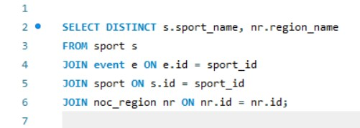 |  | The information shows that Gymnastics is enjoyed by people from many different parts of the world, with athletes participating from a wide variety of countries. This means that Gymnastics is liked and practiced by people everywhere, making it a sport that brings together individuals from different cultures and backgrounds at the Olympics.

sport_name | region_name
Gymnastics | Afghanistan
Gymnastics | Netherlands Antilles
Gymnastics | Albania
Gymnastics | Algeria
Gymnastics | Andorra
Gymnastics | Angola
Gymnastics | Antigua and Barbuda
Gymnastics | Australasia
Gymnastics | Argentina
Gymnastics | Armenia
Gymnastics | Aruba
Gymnastics | American Samoa
Gymnastics | Australia
Gymnastics | Austria
Gymnastics | Azerbaijan
Gymnastics | Bahamas
Gymnastics | Bangladesh
Gymnastics | Barbados
Gymnastics | Burundi
Gymnastics | Belgium
Gymnastics | Benin
Gymnastics | Bermuda
Gymnastics | Bhutan
Gymnastics | Bosnia and Herzegovina
Gymnastics | Belize
Gymnastics | Belarus
Gymnastics | Bohemia
Gymnastics | Boliva
Gymnastics | Botswana
Gymnastics | Brazil
Gymnastics | Bahrain
Gymnastics | Brunei
Gymnastics | Bulgaria
Gymnastics | Burkina Faso
Gymnastics | Central African Republic
Gymnastics | Cambodia
Gymnastics | Canada
Gymnastics | Cayman Islands
Gymnastics | Republic of Congo
Gymnastics | Chad
Gymnastics | Chile
Gymnastics | China
Gymnastics | Ivory Coast
Gymnastics | Cameroon
Gymnastics | Democratic Republic of the Congo
Gymnastics | Cook Islands
Gymnastics | Colombia
Gymnastics | Comoros
Gymnastics | Cape Verde
Gymnastics | Costa Rica
Gymnastics | Croatia
Gymnastics | Crete
Gymnastics | Cuba
Gymnastics | Cyprus
Gymnastics | Czech Republic
Gymnastics | Denmark
Gymnastics | Djibouti
Gymnastics | Dominica
Gymnastics | Dominican Republic
Gymnastics | Ecuador
Gymnastics | Egypt
Gymnastics | Eritrea
Gymnastics | El Salvador
Gymnastics | Spain
Gymnastics | Estonia
Gymnastics | Ethiopia
Gymnastics | Unified Team
Gymnastics | Fiji
Gymnastics | Finland
Gymnastics | France
Gymnastics | West Germany
Gymnastics | Micronesia
Gymnastics | Gabon
Gymnastics | Gambia
Gymnastics | UK
Gymnastics | Guinea-Bissau
Gymnastics | East Germany
Gymnastics | Georgia
Gymnastics | Equatorial Guinea
Gymnastics | Germany
Gymnastics | Ghana
Gymnastics | Greece
Gymnastics | Grenada
Gymnastics | Guatemala
Gymnastics | Guinea
Gymnastics | Guam
Gymnastics | Guyana
Gymnastics | Haiti
Gymnastics | Hong Kong
Gymnastics | Honduras
Gymnastics | Hungary
Gymnastics | Indonesia
Gymnastics | India
Gymnastics | Individual Olympic Athletes
Gymnastics | Iran
Gymnastics | Ireland
Gymnastics | Iraq
Gymnastics | Iceland
Gymnastics | Israel
Gymnastics | Virgin Islands
Gymnastics | Italy
Gymnastics | Virgin Islands, British
Gymnastics | Jamaica
Gymnastics | Jordan
Gymnastics | Japan
Gymnastics | Kazakhstan
Gymnastics | Kenya
Gymnastics | Kyrgyzstan
Gymnastics | Kiribati
Gymnastics | South Korea
Gymnastics | Kosovo
Gymnastics | Saudi Arabia
Gymnastics | Kuwait
Gymnastics | Laos
Gymnastics | Latvia
Gymnastics | Libya
Gymnastics | Liberia
Gymnastics | Saint Lucia
Gymnastics | Lesotho
Gymnastics | Lebanon
Gymnastics | Liechtenstein
Gymnastics | Lithuania
Gymnastics | Luxembourg
Gymnastics | Madagascar
Gymnastics | Malaya
Gymnastics | Morocco
Gymnastics | Malaysia
Gymnastics | Malawi
Gymnastics | Moldova
Gymnastics | Maldives
Gymnastics | Mexico
Gymnastics | Mongolia
Gymnastics | Marshall Islands
Gymnastics | Macedonia
Gymnastics | Mali
Gymnastics | Malta
Gymnastics | Montenegro
Gymnastics | Monaco
Gymnastics | Mozambique
Gymnastics | Mauritius
Gymnastics | Mauritania
Gymnastics | Myanmar
Gymnastics | Namibia
Gymnastics | North Borneo
Gymnastics | Nicaragua
Gymnastics | Netherlands
Gymnastics | Nepal
Gymnastics | Newfoundland
Gymnastics | Nigeria
Gymnastics | Niger
Gymnastics | Norway
Gymnastics | Nauru
Gymnastics | New Zealand
Gymnastics | Oman
Gymnastics | Pakistan
Gymnastics | Panama
Gymnastics | Paraguay
Gymnastics | Peru
Gymnastics | Philippines
Gymnastics | Palestine
Gymnastics | Palau
Gymnastics | Papua New Guinea
Gymnastics | Poland
Gymnastics | Portugal
Gymnastics | North Korea
Gymnastics | Puerto Rico
Gymnastics | Qatar
Gymnastics | Zimbabwe (Rhodesia)
Gymnastics | Refugee Olympic Team
Gymnastics | Romania
Gymnastics | South Africa
Gymnastics | Russia
Gymnastics | Rwanda
Gymnastics | Saar
Gymnastics | Samoa
Gymnastics | Serbia and Montenegro
Gymnastics | Senegal
Gymnastics | Seychelles
Gymnastics | Singapore
Gymnastics | Turks and Caicos Islands
Gymnastics | Sierra Leone
Gymnastics | Slovenia
Gymnastics | San Marino
Gymnastics | Solomon Islands
Gymnastics | Somalia
Gymnastics | Serbia
Gymnastics | Sri Lanka
Gymnastics | South Sudan
Gymnastics | Sao Tome and Principe
Gymnastics | Sudan
Gymnastics | Switzerland
Gymnastics | Suriname
Gymnastics | Slovakia
Gymnastics | Sweden
Gymnastics | Swaziland
Gymnastics | Syria
Gymnastics | Tanzania
Gymnastics | Czechoslovakia
Gymnastics | Tonga
Gymnastics | Thailand
Gymnastics | Tajikistan
Gymnastics | Turkmenistan
Gymnastics | Timor-Leste
Gymnastics | Togo
Gymnastics | Taiwan
Gymnastics | Trinidad and Tobago
Gymnastics | Tunisia
Gymnastics | Turkey
Gymnastics | Tuvalu
Gymnastics | United Arab Emirates
Gymnastics | United Arab Republic
Gymnastics | Uganda
Gymnastics | Ukraine
Gymnastics | Unknown
Gymnastics | Soviet Union
Gymnastics | Uruguay
Gymnastics | USA
Gymnastics | Uzbekistan
Gymnastics | Vanuatu
Gymnastics | Venezuela
Gymnastics | Vietnam
Gymnastics | Saint Vincent
Gymnastics | Vietnam (pre)
Gymnastics | West Indies Federation
Gymnastics | North Yemen
Gymnastics | Yemen
Gymnastics | South Yemen
Gymnastics | Yugoslavia
Gymnastics | Zambia
Gymnastics | Zimbabwe

Question 7
Question 7. Are there any sports that have a higher number of events for one gender compared to others?

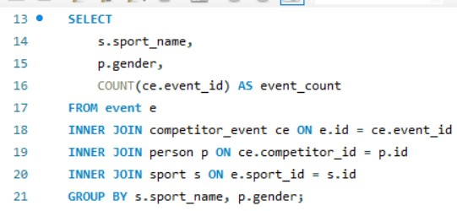
 |  |  | In this data some sports show a higher number of events for one gender compared to the other. For example, Gymnastics has significantly more events for males (13,431) compared to females (4,508), while Swimming has more events for males (11,829) than females (4,252). This indicates a disparity in event allocation between genders in certain sports within the Olympic program.

sport_name | gender | event_count
Basketball | M | 2352
Judo | M | 2018
Football | M | 3427
Tug-Of-War | M | 65
Speed Skating | F | 1053
Speed Skating | M | 2769
Cross Country Skiing | F | 1673
Cross Country Skiing | M | 4834
Athletics | M | 20090
Ice Hockey | F | 1039
Swimming | F | 4252
Badminton | M | 767
Sailing | M | 3363
Biathlon | M | 2538
Swimming | M | 11829
Ice Hockey | M | 2744
Gymnastics | M | 13431
Athletics | F | 7071
Art Competitions | M | 1612
Alpine Skiing | M | 4670
Alpine Skiing | F | 1629
Handball | M | 1919
Weightlifting | M | 1947
Wrestling | M | 3546
Luge | M | 719
Water Polo | M | 1846
Hockey | M | 2639
Rowing | M | 5211
Sailing | F | 1205
Bobsleigh | M | 1501
Fencing | M | 5327
Equestrianism | M | 3140
Shooting | F | 1908
Shooting | M | 5626
Boxing | M | 3094
Taekwondo | M | 352
Cycling | M | 5419
Weightlifting | F | 686
Rowing | F | 1855
Diving | M | 1427
Canoeing | M | 3281
Tennis | M | 1402
Football | F | 1245
Handball | F | 723
Modern Pentathlon | M | 871
Hockey | F | 971
Water Polo | F | 668
Figure Skating | M | 1170
Golf | M | 125
Softball | M | 234
Archery | M | 1102
Volleyball | M | 1783
Synchronized Swimming | M | 481
Volleyball | F | 549
Synchronized Swimming | F | 147
Wrestling | F | 1200
Fencing | F | 1921
Boxing | F | 1109
Modern Pentathlon | F | 323
Basketball | F | 821
Table Tennis | M | 1042
Diving | F | 518
Badminton | F | 253
Cycling | F | 1954
Bobsleigh | F | 550
Nordic Combined | M | 724
Baseball | F | 175
Baseball | M | 471
Rhythmic Gymnastics | M | 337
Gymnastics | F | 4508
Freestyle Skiing | M | 485
Rugby Sevens | M | 154
Canoeing | F | 1075
Biathlon | F | 831
Nordic Combined | F | 246
Trampolining | M | 82
Beach Volleyball | M | 297
Triathlon | M | 269
Rhythmic Gymnastics | F | 122
Rugby Sevens | F | 63
Table Tennis | F | 349
Art Competitions | F | 605
Equestrianism | F | 1190
Ski Jumping | M | 1222
Triathlon | F | 114
Curling | F | 79
Judo | F | 692
Curling | M | 247
Figure Skating | F | 399
Beach Volleyball | F | 96
Snowboarding | M | 498
Ski Jumping | F | 487
Rugby | M | 62
Short Track Speed Skating | M | 801
Short Track Speed Skating | F | 278
Skeleton | M | 101
Tennis | F | 474
Archery | F | 438
Lacrosse | M | 23
Taekwondo | F | 104
Polo | F | 19
Softball | F | 78
Golf | F | 43
Luge | F | 280
Freestyle Skiing | F | 191
Rugby | F | 20
Polo | M | 58
Cricket | M | 9
Tug-Of-War | F | 20
Snowboarding | F | 178
Skeleton | F | 35
Racquets | M | 8
Military Ski Patrol | F | 5
Croquet | M | 10
Military Ski Patrol | M | 9
Jeu De Paume | M | 3
Trampolining | F | 36
Lacrosse | F | 7
Roque | M | 2
Alpinism | F | 4
Jeu De Paume | F | 6
Cricket | F | 2
Motorboating | M | 9
Alpinism | M | 6
Basque Pelota | M | 1
Motorboating | F | 1
Racquets | F | 2

Question 8
Question 8 .Are there any new events that have been introduced in recent editions of the Olympics?

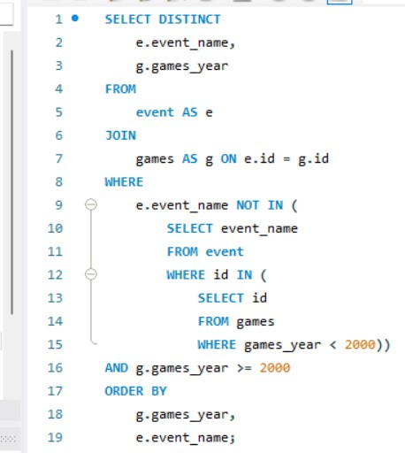 |  | In recent Olympic Games, several new events have been introduced across different sports, such as Athletics, Gymnastics, Swimming, and Judo. These additions demonstrate the Olympic Committee's commitment to evolving the games, keeping them fresh and engaging for athletes and audiences alike. By introducing new events, the Olympics continue to adapt to the changing landscape of sports, ensuring excitement and diversity in the world's premier sporting event.

New Events
event_name | games_year
Athletics Women's 100 metres | 2000
Cross Country Skiing Men's 10/15 kilometres Pursuit | 2002
Gymnastics Men's Team All-Around | 2004
Swimming Men's 200 metres Breaststroke | 2006
Swimming Men's 400 metres Breaststroke | 2008
Speed Skating Men's 500 metres | 2010
Judo Men's Extra-Lightweight | 2012
Badminton Men's Singles | 2014
Gymnastics Men's Individual All-Around | 2016

Question 10
Question 10 . Are there any notable trends in the height and weight of participants over time?

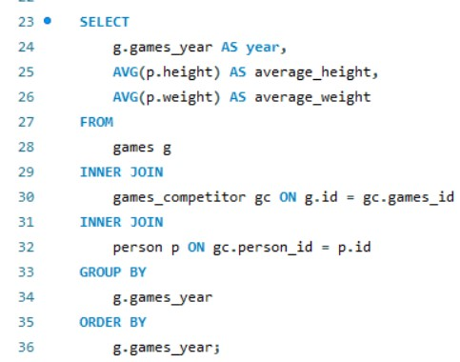 |  |  | Over time, people have been getting taller, especially since around the middle of the 20th century, which could be because of better food and healthcare. But when it comes to weight, it's been up and down with no clear pattern. This might be because of different things like how we live and what we eat. So, while people are definitely getting taller, their weight doesn't show such a clear trend.

Notable Trends over Time
year | average_height | average_weight
1896 | 172.3889 | 66.5417
1900 | 172.2484 | 66.4513
1904 | 172.623 | 66.7117
1906 | 173.1765 | 67.5703
1908 | 172.692 | 67.4624
1912 | 172.8381 | 66.9987
1920 | 172.7712 | 67.1456
1924 | 172.7859 | 67.0832
1928 | 172.8409 | 67.039
1932 | 172.9097 | 66.9287
1936 | 172.7269 | 66.9266
1948 | 172.9497 | 67.265
1952 | 173.1472 | 67.6932
1956 | 173.7383 | 69.0888
1960 | 174.7437 | 71.0997
1964 | 174.9194 | 71.4505
1968 | 175.6025 | 71.9007
1972 | 176.2127 | 72.4313
1976 | 176.2866 | 72.3
1980 | 176.7757 | 72.7931
1984 | 176.608 | 71.894
1988 | 176.8192 | 72.2688
1992 | 176.3887 | 71.7337
1994 | 175.6624 | 72.6001
1996 | 176.639 | 71.9383
1998 | 174.8956 | 72.48
2000 | 177.1006 | 72.5094
2002 | 175.2092 | 73.1169
2004 | 177.0181 | 72.6881
2006 | 175.0237 | 72.2667
2008 | 177.0023 | 72.4712
2010 | 175.3353 | 72.4724
2012 | 176.9682 | 72.121
2014 | 175.175 | 72.1123
2016 | 176.6076 | 71.8049

Question 11
Question 11. Are there any dominant countries or regions in specific sports or events?

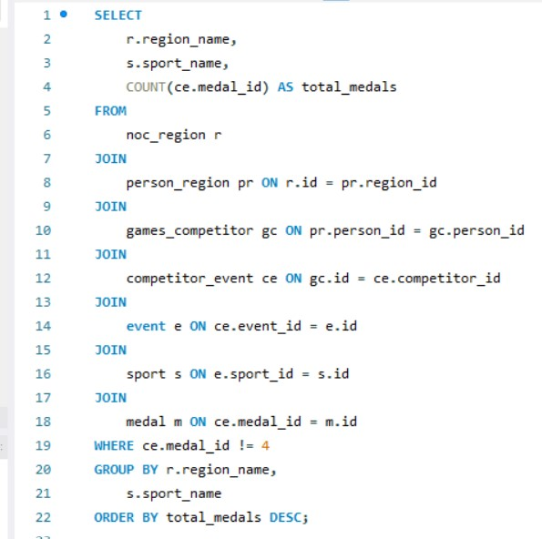
 |  |  | The data shows which countries are really good at certain sports. For example, the USA is great at swimming, athletics, and basketball. Australia is awesome at swimming, and Italy excels in fencing. Canada does really well in ice hockey and rowing. The Soviet Union, Germany, and the UK are also pretty good at lots of different sports. This tells us that different countries have different strengths when it comes to sports.

region_name | sport_name | total_medals
USA | Swimming | 1038
USA | Athletics | 1035
Australia | Swimming | 402
Italy | Fencing | 358
USA | Rowing | 348
Canada | Ice Hockey | 347
UK | Athletics | 337
USA | Basketball | 331
France | Fencing | 307
Soviet Union | Gymnastics | 290
UK | Rowing | 269
USA | Ice Hockey | 261
Germany | Rowing | 258
Soviet Union | Athletics | 256
Netherlands | Hockey | 255
Hungary | Fencing | 237
Sweden | Ice Hockey | 217
East Germany | Rowing | 201
Canada | Rowing | 197
USA | Shooting | 191
Germany | Hockey | 190
USA | Gymnastics | 189
Australia | Hockey | 188
Germany | Athletics | 187
Germany | Canoeing | 184
Germany | Equestrianism | 179
Soviet Union | Ice Hockey | 176
Romania | Rowing | 175
Germany | Swimming | 175
Finland | Ice Hockey | 174
Hungary | Water Polo | 172
UK | Cycling | 172
Japan | Gymnastics | 166
East Germany | Swimming | 166
Norway | Cross Country Skiing | 164
Soviet Union | Rowing | 163
India | Hockey | 163
Jamaica | Athletics | 161
Soviet Union | Basketball | 159
Hungary | Canoeing | 158
UK | Hockey | 157
Soviet Union | Fencing | 156
Italy | Rowing | 155
France | Cycling | 150
East Germany | Athletics | 149
Soviet Union | Volleyball | 146
USA | Water Polo | 146
Czechoslovakia | Ice Hockey | 146
Australia | Rowing | 144
Finland | Cross Country Skiing | 141
Netherlands | Rowing | 139
Finland | Athletics | 139
USA | Diving | 138
UK | Sailing | 137
Brazil | Football | 136
Romania | Gymnastics | 134
USA | Sailing | 131
USA | Equestrianism | 129
Sweden | Athletics | 128
Soviet Union | Swimming | 127
Sweden | Shooting | 126
Norway | Sailing | 125
Soviet Union | Wrestling | 125
UK | Swimming | 124
Italy | Cycling | 124
USA | Wrestling | 123
Sweden | Cross Country Skiing | 123
Pakistan | Hockey | 122
Norway | Gymnastics | 121
Japan | Swimming | 121
USA | Volleyball | 120
Brazil | Volleyball | 120
Italy | Water Polo | 120
Soviet Union | Cross Country Skiing | 119
Netherlands | Speed Skating | 118
Russia | Athletics | 116
Austria | Alpine Skiing | 114
Sweden | Sailing | 113
France | Athletics | 113
France | Rowing | 113
Cuba | Baseball | 112
Denmark | Gymnastics | 110
Hungary | Gymnastics | 110
China | Gymnastics | 109
USA | Boxing | 105
Germany | Football | 105
Netherlands | Swimming | 105
Sweden | Gymnastics | 103
Italy | Gymnastics | 101
Japan | Volleyball | 101
Finland | Gymnastics | 99
Canada | Swimming | 98
Germany | Cycling | 97
Soviet Union | Handball | 97
USA | Football | 96
South Korea | Handball | 96
Kenya | Athletics | 96
Hungary | Swimming | 94
Canada | Athletics | 94
West Germany | Equestrianism | 94
East Germany | Gymnastics | 93
Switzerland | Bobsleigh | 92
Yugoslavia | Basketball | 92
Soviet Union | Canoeing | 92
Germany | Fencing | 89
Germany | Gymnastics | 89
Australia | Athletics | 88
China | Diving | 88
Russia | Gymnastics | 87
Soviet Union | Football | 87
Sweden | Wrestling | 86
UK | Shooting | 86
Norway | Handball | 85
Finland | Wrestling | 85
Germany | Biathlon | 85
Australia | Cycling | 84
Japan | Judo | 84
Sweden | Equestrianism | 83
Soviet Union | Water Polo | 83
UK | Equestrianism | 83
China | Table Tennis | 83
Poland | Fencing | 82
France | Sailing | 82
Argentina | Hockey | 81
West Germany | Athletics | 81
Norway | Speed Skating | 80
Russia | Volleyball | 79
Hungary | Football | 79
Denmark | Rowing | 79
Yugoslavia | Water Polo | 79
Switzerland | Gymnastics | 79
USA | Cycling | 78
Czechoslovakia | Gymnastics | 78
France | Handball | 77
France | Swimming | 77
Spain | Hockey | 77
South Korea | Short Track Speed Skating | 77
Yugoslavia | Handball | 77
Norway | Shooting | 77
East Germany | Canoeing | 74
West Germany | Hockey | 74
Cuba | Boxing | 73
Italy | Volleyball | 73
Yugoslavia | Football | 73
Germany | Bobsleigh | 72
Russia | Wrestling | 72
Italy | Athletics | 72
Poland | Athletics | 72
France | Equestrianism | 72
Bulgaria | Wrestling | 71
USA | Fencing | 70
Sweden | Swimming | 70
Romania | Canoeing | 70
USA | Speed Skating | 70
Canada | Short Track Speed Skating | 70
China | Swimming | 70
Japan | Wrestling | 69
Russia | Fencing | 69
New Zealand | Rowing | 69
South Korea | Archery | 69
USA | Baseball | 68
Argentina | Football | 68
Russia | Cross Country Skiing | 68
Soviet Union | Shooting | 68
Russia | Biathlon | 67
Denmark | Sailing | 67
USA | Bobsleigh | 67
Netherlands | Cycling | 67
Soviet Union | Weightlifting | 66
Russia | Handball | 66
West Germany | Fencing | 66
China | Volleyball | 66
UK | Tennis | 65
France | Shooting | 65
Denmark | Football | 65
Japan | Baseball | 64
China | Badminton | 64
West Germany | Rowing | 63
Norway | Biathlon | 62
USA | Figure Skating | 61
Spain | Handball | 61
Italy | Cross Country Skiing | 61
Sweden | Handball | 61
Norway | Rowing | 61
Soviet Union | Speed Skating | 61
West Germany | Swimming | 61
USA | Softball | 60
Spain | Basketball | 60
USA | Tennis | 60
Sweden | Football | 60
Australia | Softball | 60
Switzerland | Rowing | 60
Australia | Basketball | 60
Czech Republic | Ice Hockey | 60
Switzerland | Alpine Skiing | 59
Russia | Ice Hockey | 59
Cuba | Athletics | 59
Denmark | Handball | 59
Brazil | Basketball | 58
Romania | Handball | 58
Unified Team | Athletics | 57
Sweden | Canoeing | 57
Germany | Luge | 57
China | Weightlifting | 57
Russia | Water Polo | 56
Russia | Figure Skating | 56
Germany | Handball | 56
Soviet Union | Cycling | 56
Netherlands | Equestrianism | 56
China | Shooting | 56
Russia | Swimming | 56
Hungary | Wrestling | 55
Russia | Synchronized Swimming | 54
France | Gymnastics | 54
USA | Archery | 54
Ethiopia | Athletics | 53
UK | Boxing | 53
France | Canoeing | 53
Spain | Football | 52
Cuba | Volleyball | 52
Australia | Sailing | 52
Germany | Speed Skating | 52
Hungary | Athletics | 52
Denmark | Cycling | 52
East Germany | Football | 52
Poland | Rowing | 52
Japan | Synchronized Swimming | 52
Croatia | Handball | 51
Soviet Union | Boxing | 51
Poland | Football | 50
Nigeria | Football | 50
France | Judo | 50
Serbia | Water Polo | 50
Unified Team | Swimming | 50
Romania | Fencing | 50
Switzerland | Equestrianism | 50
China | Short Track Speed Skating | 49
Unified Team | Cross Country Skiing | 49
Canada | Curling | 48
Switzerland | Ice Hockey | 48
Italy | Football | 48
Canada | Football | 48
Sweden | Cycling | 48
South Korea | Baseball | 48
South Korea | Hockey | 48
Norway | Football | 47
Turkey | Wrestling | 47
France | Archery | 47
Italy | Boxing | 47
East Germany | Luge | 47
Soviet Union | Figure Skating | 47
Soviet Union | Biathlon | 46
Italy | Equestrianism | 46
UK | Gymnastics | 46
Russia | Basketball | 45
Russia | Rhythmic Gymnastics | 45
France | Alpine Skiing | 45
Australia | Canoeing | 45
Czechoslovakia | Rowing | 45
Hungary | Handball | 45
Switzerland | Shooting | 44
Japan | Softball | 44
Canada | Speed Skating | 44
Netherlands | Sailing | 44
Belgium | Cycling | 44
Poland | Boxing | 43
France | Rugby | 43
South Korea | Judo | 43
Austria | Ski Jumping | 43
Unified Team | Gymnastics | 43
Canada | Figure Skating | 43
Iran | Wrestling | 42
Nigeria | Athletics | 42
Belgium | Fencing | 42
East Germany | Bobsleigh | 42
Italy | Shooting | 42
East Germany | Handball | 42
Croatia | Water Polo | 42
Australia | Water Polo | 42
Russia | Shooting | 41
USA | Alpine Skiing | 41
Germany | Wrestling | 41
Netherlands | Football | 41
Finland | Shooting | 41
Lithuania | Basketball | 40
Germany | Sailing | 40
USA | Short Track Speed Skating | 40
Unified Team | Handball | 40
Norway | Nordic Combined | 40
France | Biathlon | 40
Unified Team | Ice Hockey | 40
Belgium | Water Polo | 40
East Germany | Speed Skating | 39
Bulgaria | Weightlifting | 39
Norway | Ski Jumping | 39
Poland | Canoeing | 39
Germany | Shooting | 39
USA | Weightlifting | 38
Hungary | Modern Pentathlon | 38
France | Basketball | 38
Australia | Equestrianism | 38
Serbia and Montenegro | Water Polo | 38
Spain | Water Polo | 37
UK | Football | 37
UK | Tug-Of-War | 37
USA | Golf | 36
France | Tennis | 36
South Korea | Wrestling | 36
Cuba | Judo | 36
Romania | Athletics | 36
Bahamas | Athletics | 36
Finland | Sailing | 35
New Zealand | Sailing | 35
East Germany | Cycling | 35
Germany | Cross Country Skiing | 35
South Korea | Badminton | 35
Brazil | Sailing | 34
Finland | Ski Jumping | 34
Japan | Football | 34
Poland | Volleyball | 34
Bulgaria | Rowing | 34
USA | Rugby | 34
Spain | Sailing | 33
Romania | Wrestling | 33
Canada | Canoeing | 33
South Korea | Table Tennis | 33
Czechoslovakia | Football | 33
Soviet Union | Hockey | 32
West Germany | Cycling | 32
Italy | Bobsleigh | 32
Slovakia | Canoeing | 32
Poland | Weightlifting | 32
Ukraine | Gymnastics | 32
Bulgaria | Football | 32
Russia | Boxing | 31
Germany | Water Polo | 31
Uruguay | Football | 31
Japan | Athletics | 31
South Africa | Athletics | 31
Germany | Alpine Skiing | 31
Germany | Boxing | 31
Netherlands | Water Polo | 31
China | Synchronized Swimming | 31
Netherlands | Fencing | 31
Unified Team | Fencing | 31
China | Fencing | 30
Austria | Handball | 30
Germany | Weightlifting | 30
Italy | Alpine Skiing | 30
Russia | Diving | 30
Norway | Alpine Skiing | 29
Sweden | Curling | 29
Indonesia | Badminton | 29
Austria | Nordic Combined | 29
Soviet Union | Equestrianism | 29
USA | Synchronized Swimming | 29
UK | Polo | 29
Czechoslovakia | Athletics | 29
China | Rowing | 29
South Africa | Swimming | 28
Russia | Weightlifting | 28
Trinidad and Tobago | Athletics | 28
Bulgaria | Canoeing | 28
USA | Hockey | 28
Greece | Athletics | 28
Germany | Diving | 28
Soviet Union | Modern Pentathlon | 28
Germany | Ski Jumping | 28
UK | Fencing | 27
Denmark | Shooting | 27
Italy | Swimming | 27
China | Athletics | 27
Czech Republic | Canoeing | 27
Austria | Luge | 27
Russia | Cycling | 26
Switzerland | Cycling | 26
Italy | Sailing | 26
Canada | Synchronized Swimming | 26
Brazil | Beach Volleyball | 26
Sweden | Fencing | 26
Germany | Art Competitions | 26
West Germany | Canoeing | 26
East Germany | Biathlon | 26
UK | Water Polo | 26
Poland | Wrestling | 26
Brazil | Athletics | 26
Unified Team | Wrestling | 26
Azerbaijan | Wrestling | 25
Romania | Boxing | 25
France | Football | 25
France | Boxing | 25
Unified Team | Volleyball | 25
Sweden | Modern Pentathlon | 25
Belgium | Rowing | 25
Canada | Sailing | 25
Belarus | Canoeing | 24
Germany | Nordic Combined | 24
New Zealand | Athletics | 24
Australia | Baseball | 24
USA | Snowboarding | 24
Sweden | Water Polo | 24
Italy | Luge | 24
Argentina | Boxing | 24
Poland | Cycling | 24
Italy | Basketball | 24
Unified Team | Figure Skating | 24
Netherlands | Volleyball | 24
Serbia | Basketball | 24
Bulgaria | Basketball | 24
Italy | Canoeing | 24
Czechoslovakia | Canoeing | 24
East Germany | Volleyball | 24
Spain | Canoeing | 24
Argentina | Basketball | 24
Finland | Speed Skating | 24
Soviet Union | Sailing | 23
Norway | Canoeing | 23
Switzerland | Curling | 23
Ukraine | Athletics | 23
Unified Team | Water Polo | 23
China | Basketball | 23
Unified Team | Basketball | 23
Switzerland | Fencing | 23
USA | Canoeing | 23
Serbia and Montenegro | Volleyball | 23
Unified Team | Biathlon | 23
New Zealand | Equestrianism | 23
Austria | Figure Skating | 23
Canada | Lacrosse | 23
Soviet Union | Judo | 23
Netherlands | Judo | 23
Unified Team | Rowing | 23
Czechoslovakia | Volleyball | 23
Finland | Nordic Combined | 23
Uruguay | Basketball | 22
UK | Judo | 22
Sweden | Diving | 22
Argentina | Sailing | 22
Denmark | Canoeing | 22
UK | Ice Hockey | 22
Canada | Cycling | 22
Bulgaria | Volleyball | 22
Russia | Canoeing | 22
Kazakhstan | Boxing | 22
Cuba | Wrestling | 22
West Germany | Bobsleigh | 22
Germany | Figure Skating | 22
UK | Canoeing | 22
Canada | Shooting | 22
Australia | Diving | 22
Germany | Judo | 22
Netherlands | Athletics | 22
France | Water Polo | 22
Brazil | Judo | 22
China | Judo | 22
Russia | Rowing | 21
Belgium | Archery | 21
Belarus | Rhythmic Gymnastics | 21
Denmark | Swimming | 21
Italy | Short Track Speed Skating | 21
Belarus | Athletics | 21
USA | Freestyle Skiing | 21
Kazakhstan | Wrestling | 21
Belgium | Hockey | 21
Italy | Wrestling | 21
Belgium | Equestrianism | 21
Austria | Canoeing | 21
Russia | Speed Skating | 20
Ghana | Football | 20
South Korea | Boxing | 20
Norway | Athletics | 20
Japan | Ski Jumping | 20
Unified Team | Shooting | 20
Hungary | Weightlifting | 20
Spain | Synchronized Swimming | 20
Hungary | Boxing | 20
Cuba | Fencing | 20
USA | Beach Volleyball | 20
Brazil | Swimming | 20
East Germany | Shooting | 20
Taiwan | Baseball | 20
South Korea | Fencing | 20
Croatia | Basketball | 19
UK | Figure Skating | 19
Sweden | Tug-Of-War | 19
Morocco | Athletics | 19
Spain | Tennis | 19
Belgium | Gymnastics | 19
East Germany | Sailing | 19
Bulgaria | Athletics | 19
West Germany | Luge | 19
Spain | Cycling | 19
China | Archery | 19
South Korea | Taekwondo | 19
Cameroon | Football | 18
Canada | Diving | 18
Soviet Union | Diving | 18
Canada | Bobsleigh | 18
New Zealand | Cycling | 18
USA | Modern Pentathlon | 18
Ukraine | Wrestling | 18
Bulgaria | Boxing | 18
France | Figure Skating | 18
Iran | Weightlifting | 18
South Africa | Boxing | 18
West Germany | Ice Hockey | 18
South Korea | Football | 18
Belarus | Rowing | 18
Canada | Freestyle Skiing | 18
Georgia | Wrestling | 18
West Germany | Football | 18
Croatia | Rowing | 18
New Zealand | Canoeing | 18
Bulgaria | Rhythmic Gymnastics | 18
UK | Curling | 17
Austria | Swimming | 17
Chile | Football | 17
UK | Cricket | 17
Yugoslavia | Gymnastics | 17
Hungary | Shooting | 17
Mexico | Equestrianism | 17
Paraguay | Football | 17
Germany | Tennis | 17
Czechoslovakia | Cross Country Skiing | 17
Ukraine | Rowing | 17
Italy | Archery | 17
Switzerland | Handball | 17
Serbia | Volleyball | 17
Mexico | Diving | 17
Russia | Judo | 17
Belgium | Sailing | 17
Kazakhstan | Weightlifting | 17
North Korea | Weightlifting | 17
Canada | Equestrianism | 17
France | Wrestling | 17
Japan | Speed Skating | 17
Unified Team | Weightlifting | 16
Sweden | Biathlon | 16
Mexico | Football | 16
Sweden | Speed Skating | 16
Belarus | Biathlon | 16
Ireland | Boxing | 16
Australasia | Rugby | 16
Italy | Judo | 16
Australasia | Swimming | 16
Greece | Sailing | 16
Czechoslovakia | Handball | 16
Czechoslovakia | Hockey | 16
West Germany | Sailing | 16
Germany | Table Tennis | 16
Yugoslavia | Rowing | 16
Belgium | Athletics | 16
South Korea | Shooting | 16
China | Hockey | 16
Yugoslavia | Wrestling | 16
Canada | Wrestling | 16
Canada | Boxing | 16
West Germany | Wrestling | 16
Uzbekistan | Wrestling | 16
Bulgaria | Shooting | 16
Sweden | Alpine Skiing | 16
Finland | Rowing | 16
Spain | Athletics | 15
Finland | Boxing | 15
China | Softball | 15
West Germany | Biathlon | 15
Poland | Equestrianism | 15
France | Weightlifting | 15
Czechoslovakia | Wrestling | 15
Czech Republic | Athletics | 15
Romania | Shooting | 15
Ukraine | Canoeing | 15
Switzerland | Wrestling | 15
Ukraine | Boxing | 15
Italy | Weightlifting | 15
Belarus | Gymnastics | 15
Ukraine | Handball | 15
China | Football | 15
West Germany | Handball | 15
Uzbekistan | Boxing | 14
Switzerland | Football | 14
New Zealand | Hockey | 14
Sweden | Tennis | 14
Individual Olympic Athletes | Shooting | 14
Japan | Weightlifting | 14
Poland | Handball | 14
UK | Bobsleigh | 14
Belarus | Weightlifting | 14
USA | Judo | 14
Iceland | Handball | 14
Finland | Canoeing | 14
East Germany | Boxing | 14
East Germany | Diving | 14
Belgium | Football | 14
Montenegro | Handball | 14
Czech Republic | Cross Country Skiing | 14
UK | Rugby | 14
Romania | Weightlifting | 14
Serbia and Montenegro | Basketball | 14
East Germany | Figure Skating | 14
East Germany | Weightlifting | 14
Thailand | Boxing | 14
Zimbabwe | Hockey | 14
Norway | Curling | 14
Greece | Weightlifting | 14
West Germany | Shooting | 14
Ukraine | Fencing | 14
Unified Team | Diving | 14
Italy | Modern Pentathlon | 13
South Africa | Rugby Sevens | 13
Switzerland | Cross Country Skiing | 13
Russia | Short Track Speed Skating | 13
Denmark | Wrestling | 13
Greece | Water Polo | 13
France | Art Competitions | 13
Mexico | Boxing | 13
Italy | Art Competitions | 13
Austria | Fencing | 13
Poland | Speed Skating | 13
UK | Archery | 13
Slovenia | Athletics | 13
Czechoslovakia | Cycling | 13
China | Handball | 13
Slovenia | Rowing | 13
Netherlands | Canoeing | 13
Fiji | Rugby Sevens | 13
Belarus | Wrestling | 13
Austria | Football | 13
Netherlands | Gymnastics | 12
Spain | Rhythmic Gymnastics | 12
Austria | Weightlifting | 12
Armenia | Wrestling | 12
France | Freestyle Skiing | 12
Cuba | Basketball | 12
Austria | Bobsleigh | 12
Turkey | Weightlifting | 12
UK | Diving | 12
Denmark | Badminton | 12
South Korea | Volleyball | 12
New Zealand | Rugby Sevens | 12
Germany | Ice Hockey | 12
Australia | Shooting | 12
Australia | Rugby Sevens | 12
Canada | Rugby Sevens | 12
UK | Rugby Sevens | 12
Denmark | Hockey | 12
Italy | Rhythmic Gymnastics | 12
Poland | Shooting | 12
Italy | Diving | 12
Argentina | Volleyball | 12
Peru | Volleyball | 12
Malaysia | Badminton | 12
China | Figure Skating | 12
Switzerland | Sailing | 12
Unified Team | Canoeing | 12
Finland | Biathlon | 12
West Germany | Water Polo | 12
Austria | Sailing | 12
Switzerland | Snowboarding | 12
China | Boxing | 12
Belgium | Judo | 12
Czech Republic | Tennis | 12
South Korea | Weightlifting | 12
Denmark | Boxing | 12
Hungary | Figure Skating | 12
Russia | Bobsleigh | 12
Sweden | Boxing | 11
UK | Modern Pentathlon | 11
Spain | Equestrianism | 11
Mexico | Athletics | 11
Czechoslovakia | Shooting | 11
Serbia and Montenegro | Shooting | 11
Mexico | Basketball | 11
Ukraine | Sailing | 11
East Germany | Judo | 11
UK | Alpinism | 11
East Germany | Wrestling | 11
South Korea | Basketball | 11
Belgium | Shooting | 11
Bulgaria | Gymnastics | 11
China | Trampolining | 11
Austria | Biathlon | 11
West Germany | Alpine Skiing | 11
South Africa | Cycling | 11
Japan | Table Tennis | 11
Canada | Alpine Skiing | 11
Finland | Modern Pentathlon | 11
North Korea | Volleyball | 11
Czech Republic | Shooting | 11
Thailand | Weightlifting | 11
Yugoslavia | Boxing | 11
South Korea | Speed Skating | 11
Estonia | Wrestling | 11
Czechoslovakia | Tennis | 11
Indonesia | Weightlifting | 10
Ukraine | Shooting | 10
USA | Polo | 10
East Germany | Cross Country Skiing | 10
France | Snowboarding | 10
Sweden | Rowing | 10
UK | Racquets | 10
UK | Wrestling | 10
Belarus | Shooting | 10
Portugal | Equestrianism | 10
Czechoslovakia | Ski Jumping | 10
Italy | Biathlon | 10
China | Wrestling | 10
China | Taekwondo | 10
Romania | Volleyball | 10
Hungary | Judo | 10
Russia | Tennis | 10
Austria | Art Competitions | 10
Egypt | Weightlifting | 10
Portugal | Athletics | 10
Australia | Tennis | 10
Sweden | Figure Skating | 10
North Korea | Wrestling | 10
Croatia | Alpine Skiing | 10
USA | Taekwondo | 9
Canada | Basketball | 9
Argentina | Polo | 9
Azerbaijan | Boxing | 9
Netherlands | Archery | 9
East Germany | Ski Jumping | 9
Ukraine | Figure Skating | 9
West Germany | Judo | 9
Spain | Swimming | 9
Russia | Sailing | 9
USA | Art Competitions | 9
Poland | Gymnastics | 9
Belgium | Swimming | 9
Germany | Tug-Of-War | 9
Algeria | Athletics | 9
Denmark | Art Competitions | 9
Czech Republic | Rowing | 9
Taiwan | Archery | 9
Mongolia | Wrestling | 9
Romania | Swimming | 9
Hungary | Rowing | 9
Armenia | Weightlifting | 9
Ukraine | Weightlifting | 9
Brazil | Equestrianism | 9
Yugoslavia | Shooting | 9
Switzerland | Art Competitions | 9
Estonia | Sailing | 9
Austria | Rowing | 9
Liechtenstein | Alpine Skiing | 9
Greece | Wrestling | 9
China | Cycling | 9
USA | Luge | 9
Ukraine | Swimming | 9
South Korea | Gymnastics | 9
Latvia | Luge | 9
Japan | Nordic Combined | 8
Soviet Union | Bobsleigh | 8
UK | Lacrosse | 8
North Korea | Judo | 8
Norway | Wrestling | 8
Soviet Union | Archery | 8
France | Croquet | 8
Portugal | Sailing | 8
Austria | Athletics | 8
Unified Team | Speed Skating | 8
Netherlands | Tug-Of-War | 8
Norway | Freestyle Skiing | 8
Belgium | Art Competitions | 8
South Africa | Rowing | 8
Ukraine | Archery | 8
Taiwan | Taekwondo | 8
Taiwan | Weightlifting | 8
North Korea | Boxing | 8
UK | Art Competitions | 8
Switzerland | Nordic Combined | 8
Austria | Shooting | 8
Mongolia | Judo | 8
Czechoslovakia | Weightlifting | 8
Ukraine | Biathlon | 8
South Africa | Tennis | 8
Switzerland | Athletics | 8
China | Freestyle Skiing | 8
Japan | Hockey | 8
Denmark | Equestrianism | 8
Belgium | Bobsleigh | 8
West Germany | Weightlifting | 8
Estonia | Athletics | 8
Georgia | Judo | 8
Poland | Art Competitions | 8
Poland | Judo | 8
Russia | Modern Pentathlon | 8
Serbia | Shooting | 8
Czech Republic | Biathlon | 8
Unified Team | Modern Pentathlon | 8
Soviet Union | Luge | 7
Canada | Snowboarding | 7
USA | Skeleton | 7
Russia | Luge | 7
Turkey | Boxing | 7
Switzerland | Tennis | 7
France | Nordic Combined | 7
Brazil | Shooting | 7
France | Taekwondo | 7
Australia | Freestyle Skiing | 7
Turkey | Taekwondo | 7
Kenya | Boxing | 7
France | Modern Pentathlon | 7
Norway | Figure Skating | 7
Canada | Trampolining | 7
USA | Nordic Combined | 7
Denmark | Athletics | 7
Greece | Tennis | 7
Zimbabwe | Swimming | 7
UK | Weightlifting | 7
Nigeria | Boxing | 7
Argentina | Tennis | 7
Netherlands | Boxing | 7
Mongolia | Boxing | 7
Slovenia | Alpine Skiing | 7
Estonia | Rowing | 7
Mexico | Polo | 7
Mexico | Taekwondo | 7
Singapore | Table Tennis | 7
Poland | Ski Jumping | 7
Slovenia | Ski Jumping | 7
USA | Tug-Of-War | 7
Japan | Archery | 7
Netherlands | Art Competitions | 7
Yugoslavia | Canoeing | 7
Estonia | Weightlifting | 7
East Germany | Nordic Combined | 7
Estonia | Cross Country Skiing | 7
Germany | Archery | 7
China | Speed Skating | 7
Kazakhstan | Cross Country Skiing | 7
Turkey | Athletics | 6
Puerto Rico | Boxing | 6
Germany | Beach Volleyball | 6
Greece | Rhythmic Gymnastics | 6
Japan | Short Track Speed Skating | 6
Lithuania | Athletics | 6
Iran | Taekwondo | 6
Algeria | Boxing | 6
Germany | Rugby | 6
Italy | Speed Skating | 6
UK | Badminton | 6
Uzbekistan | Judo | 6
Australia | Weightlifting | 6
Austria | Wrestling | 6
Spain | Judo | 6
Netherlands | Shooting | 6
Venezuela | Boxing | 6
Austria | Equestrianism | 6
China | Rhythmic Gymnastics | 6
Colombia | Cycling | 6
Spain | Taekwondo | 6
Argentina | Rowing | 6
Romania | Judo | 6
China | Sailing | 6
Ukraine | Cycling | 6
UK | Skeleton | 6
Poland | Swimming | 6
Poland | Modern Pentathlon | 6
Portugal | Fencing | 6
Belarus | Freestyle Skiing | 6
Ireland | Athletics | 6
Azerbaijan | Canoeing | 6
Serbia and Montenegro | Canoeing | 6
Latvia | Bobsleigh | 6
Austria | Snowboarding | 6
Finland | Archery | 6
UK | Motorboating | 6
Colombia | Weightlifting | 6
Czechoslovakia | Boxing | 6
Japan | Cycling | 6
Greece | Rowing | 6
West Germany | Boxing | 6
Lithuania | Rowing | 6
Austria | Speed Skating | 6
Japan | Shooting | 6
Denmark | Fencing | 6
Russia | Snowboarding | 6
UK | Taekwondo | 6
Moldova | Canoeing | 6
Kazakhstan | Athletics | 6
New Zealand | Swimming | 6
Greece | Gymnastics | 6
Saudi Arabia | Equestrianism | 5
Switzerland | Ski Jumping | 5
Croatia | Tennis | 5
Argentina | Fencing | 5
Israel | Judo | 5
Japan | Figure Skating | 5
Brazil | Boxing | 5
Unified Team | Archery | 5
Japan | Fencing | 5
Cuba | Canoeing | 5
Czechoslovakia | Figure Skating | 5
Slovakia | Shooting | 5
Canada | Judo | 5
Ukraine | Rhythmic Gymnastics | 5
Denmark | Curling | 5
Cuba | Weightlifting | 5
South Africa | Shooting | 5
Thailand | Taekwondo | 5
Austria | Cross Country Skiing | 5
Australia | Short Track Speed Skating | 5
UK | Triathlon | 5
Argentina | Athletics | 5
Latvia | Athletics | 5
Australia | Archery | 5
France | Cross Country Skiing | 5
Spain | Polo | 5
Yugoslavia | Ski Jumping | 5
Australia | Triathlon | 5
Cuba | Taekwondo | 5
India | Wrestling | 5
Hungary | Art Competitions | 5
Japan | Badminton | 5
Egypt | Wrestling | 5
Tunisia | Athletics | 5
West Indies Federation | Athletics | 5
Belarus | Swimming | 5
Montenegro | Water Polo | 5
Chile | Tennis | 5
Bohemia | Fencing | 5
Austria | Judo | 5
West Germany | Nordic Combined | 5
Azerbaijan | Judo | 5
Colombia | Boxing | 5
Finland | Art Competitions | 5
Germany | Snowboarding | 5
North Korea | Table Tennis | 5
Croatia | Athletics | 5
Greece | Shooting | 5
Poland | Cross Country Skiing | 5
Russia | Freestyle Skiing | 5
Switzerland | Triathlon | 5
Japan | Boxing | 5
USA | Lacrosse | 5
Norway | Boxing | 5
Slovenia | Judo | 5
Czech Republic | Speed Skating | 5
Philippines | Boxing | 5
Finland | Swimming | 4
Morocco | Boxing | 4
Czechoslovakia | Modern Pentathlon | 4
Kuwait | Shooting | 4
Unified Team | Short Track Speed Skating | 4
France | Curling | 4
Lithuania | Modern Pentathlon | 4
Georgia | Weightlifting | 4
Switzerland | Judo | 4
Switzerland | Military Ski Patrol | 4
Belarus | Tennis | 4
Russia | Archery | 4
Russia | Taekwondo | 4
Switzerland | Canoeing | 4
Kazakhstan | Shooting | 4
France | Military Ski Patrol | 4
Sweden | Weightlifting | 4
India | Shooting | 4
Sweden | Art Competitions | 4
Netherlands | Tennis | 4
Switzerland | Freestyle Skiing | 4
Finland | Military Ski Patrol | 4
Norway | Snowboarding | 4
Cuba | Shooting | 4
Taiwan | Table Tennis | 4
Australia | Boxing | 4
France | Tug-Of-War | 4
Australia | Beach Volleyball | 4
Bahamas | Sailing | 4
Canada | Cross Country Skiing | 4
Chile | Equestrianism | 4
Norway | Cycling | 4
Unified Team | Luge | 4
France | Polo | 4
Spain | Gymnastics | 4
Unified Team | Hockey | 4
Romania | Equestrianism | 4
Poland | Archery | 4
Yugoslavia | Table Tennis | 4
USA | Curling | 4
Namibia | Athletics | 4
Canada | Skeleton | 4
West Germany | Tennis | 4
France | Bobsleigh | 4
Slovakia | Biathlon | 4
Unified Team | Judo | 4
Brazil | Gymnastics | 4
Finland | Figure Skating | 4
Russia | Trampolining | 4
Japan | Tennis | 4
Lithuania | Cycling | 4
Finland | Curling | 4
Japan | Sailing | 4
Unified Team | Cycling | 4
Poland | Sailing | 4
Ukraine | Diving | 4
Finland | Freestyle Skiing | 4
China | Tennis | 4

Question 13
Question 13 .Are there any countries that consistently perform well in multiple Olympic editions?

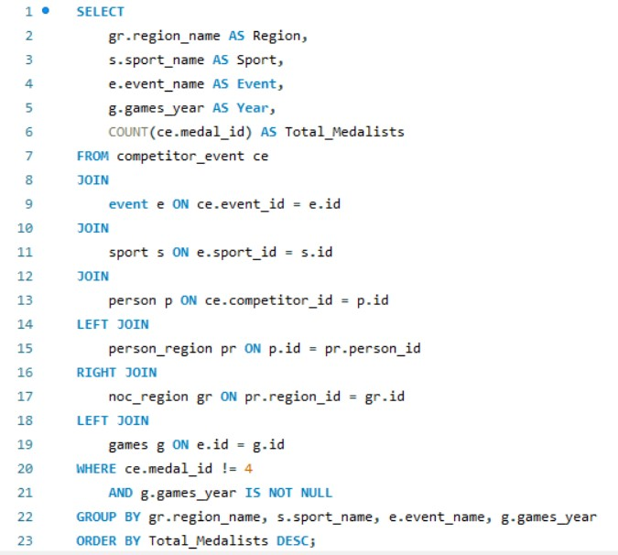
 |  |  |  |  | We found that some countries keep doing really well in many different Olympic games. The USA, Germany, UK, Italy, France, Canada, Japan, Sweden, Russia/Soviet Union, and Hungary are some examples. They're good at lots of sports like football, basketball, and gymnastics. These countries show how they're really good at sports and keep being great in the Olympics over many years.

 | Total_Medalists
1920 | 71
1912 | 50
1912 | 49
1924 | 47
1920 | 44
1912 | 44
1920 | 42
1992 | 39
1920 | 39
1920 | 36
1920 | 34
1912 | 34
2004 | 33
1912 | 32
1906 | 31
1924 | 30
1920 | 29
1912 | 29
1924 | 29
1912 | 27
1920 | 26
1920 | 26
1912 | 26
1912 | 26
1924 | 26
1912 | 24
2004 | 24
1924 | 24
1924 | 23
1920 | 22
1920 | 22
1992 | 21
1912 | 20
2004 | 20
2004 | 20
1924 | 20
1992 | 19
1992 | 19
1920 | 19
1920 | 19
1920 | 19
1912 | 19
2004 | 19
1924 | 19
1992 | 18
1992 | 18
1920 | 18
1912 | 18
1976 | 18
1920 | 17
...
Region | Sport | Event | Year | Total_Medalists
USA | Football | Football Men's Football | 1920 | 71
USA | Ice Hockey | Ice Hockey Men's Ice Hockey | 1912 | 50
France | Ice Hockey | Ice Hockey Men's Ice Hockey | 1912 | 49
USA | Water Polo | Water Polo Men's Water Polo | 1924 | 47
Germany | Football | Football Men's Football | 1920 | 44
UK | Ice Hockey | Ice Hockey Men's Ice Hockey | 1912 | 44
Italy | Football | Football Men's Football | 1920 | 42
USA | Basketball | Basketball Men's Basketball | 1992 | 39
Sweden | Football | Football Men's Football | 1920 | 39
UK | Football | Football Men's Football | 1920 | 36
Canada | Football | Football Men's Football | 1920 | 34
Germany | Ice Hockey | Ice Hockey Men's Ice Hockey | 1912 | 34
Italy | Gymnastics | Gymnastics Men's Team All-Around | 2004 | 33
Japan | Ice Hockey | Ice Hockey Men's Ice Hockey | 1912 | 32
USA | Hockey | Hockey Women's Hockey | 1906 | 31
Italy | Water Polo | Water Polo Men's Water Polo | 1924 | 30
France | Football | Football Men's Football | 1920 | 29
Italy | Ice Hockey | Ice Hockey Men's Ice Hockey | 1912 | 29
Germany | Water Polo | Water Polo Men's Water Polo | 1924 | 29
Canada | Ice Hockey | Ice Hockey Men's Ice Hockey | 1912 | 27
Spain | Football | Football Men's Football | 1920 | 26
Japan | Football | Football Men's Football | 1920 | 26
Austria | Ice Hockey | Ice Hockey Men's Ice Hockey | 1912 | 26
Sweden | Ice Hockey | Ice Hockey Men's Ice Hockey | 1912 | 26
France | Water Polo | Water Polo Men's Water Polo | 1924 | 26
Netherlands | Ice Hockey | Ice Hockey Men's Ice Hockey | 1912 | 24
USA | Gymnastics | Gymnastics Men's Team All-Around | 2004 | 24
Australia | Water Polo | Water Polo Men's Water Polo | 1924 | 24
Canada | Water Polo | Water Polo Men's Water Polo | 1924 | 23
Hungary | Football | Football Men's Football | 1920 | 22
Switzerland | Football | Football Men's Football | 1920 | 22
Sweden | Basketball | Basketball Men's Basketball | 1992 | 21
Finland | Ice Hockey | Ice Hockey Men's Ice Hockey | 1912 | 20
UK | Gymnastics | Gymnastics Men's Team All-Around | 2004 | 20
Germany | Gymnastics | Gymnastics Men's Team All-Around | 2004 | 20
UK | Water Polo | Water Polo Men's Water Polo | 1924 | 20
UK | Basketball | Basketball Men's Basketball | 1992 | 19
Canada | Basketball | Basketball Men's Basketball | 1992 | 19
Romania | Football | Football Men's Football | 1920 | 19
South Korea | Football | Football Men's Football | 1920 | 19
Australia | Football | Football Men's Football | 1920 | 19
Hungary | Ice Hockey | Ice Hockey Men's Ice Hockey | 1912 | 19
Hungary | Gymnastics | Gymnastics Men's Team All-Around | 2004 | 19
Spain | Water Polo | Water Polo Men's Water Polo | 1924 | 19
Australia | Basketball | Basketball Men's Basketball | 1992 | 18
China | Basketball | Basketball Men's Basketball | 1992 | 18
Poland | Football | Football Men's Football | 1920 | 18
Russia | Ice Hockey | Ice Hockey Men's Ice Hockey | 1912 | 18
USA | Handball | Handball Women's Handball | 1976 | 18
Soviet Union | Football | Football Men's Football | 1920 | 17
USA | Athletics | Athletics Women's 4 x 100 metres Relay | 1996 | 17
Spain | Ice Hockey | Ice Hockey Men's Ice Hockey | 1912 | 17
New Zealand | Ice Hockey | Ice Hockey Men's Ice Hockey | 1912 | 17
Japan | Gymnastics | Gymnastics Men's Team All-Around | 2004 | 17
France | Handball | Handball Women's Handball | 1976 | 17
Soviet Union | Water Polo | Water Polo Men's Water Polo | 1924 | 17
Russia | Football | Football Men's Football | 1920 | 16
Poland | Ice Hockey | Ice Hockey Men's Ice Hockey | 1912 | 16
France | Basketball | Basketball Men's Basketball | 1992 | 15
Japan | Basketball | Basketball Men's Basketball | 1992 | 15
Finland | Football | Football Men's Football | 1920 | 15
Netherlands | Football | Football Men's Football | 1920 | 15
Brazil | Ice Hockey | Ice Hockey Men's Ice Hockey | 1912 | 15
South Korea | Ice Hockey | Ice Hockey Men's Ice Hockey | 1912 | 15
France | Gymnastics | Gymnastics Men's Team All-Around | 2004 | 15
Japan | Handball | Handball Women's Handball | 1976 | 15
UK | Handball | Handball Women's Handball | 1976 | 15
Netherlands | Water Polo | Water Polo Men's Water Polo | 1924 | 15
Japan | Water Polo | Water Polo Men's Water Polo | 1924 | 15
Poland | Water Polo | Water Polo Men's Water Polo | 1924 | 15
Finland | Water Polo | Water Polo Men's Water Polo | 1924 | 15
Hungary | Basketball | Basketball Men's Basketball | 1992 | 14
Soviet Union | Basketball | Basketball Men's Basketball | 1992 | 14
Norway | Football | Football Men's Football | 1920 | 14
Austria | Football | Football Men's Football | 1920 | 14
Soviet Union | Ice Hockey | Ice Hockey Men's Ice Hockey | 1912 | 14
Australia | Ice Hockey | Ice Hockey Men's Ice Hockey | 1912 | 14
Belgium | Ice Hockey | Ice Hockey Men's Ice Hockey | 1912 | 14
Czechoslovakia | Ice Hockey | Ice Hockey Men's Ice Hockey | 1912 | 14
China | Ice Hockey | Ice Hockey Men's Ice Hockey | 1912 | 14
Canada | Handball | Handball Women's Handball | 1976 | 14
Sweden | Water Polo | Water Polo Men's Water Polo | 1924 | 14
Hungary | Hockey | Hockey Women's Hockey | 1906 | 14
Germany | Hockey | Hockey Women's Hockey | 1906 | 14
USA | Bobsleigh | Bobsleigh Men's Four | 1896 | 14
Germany | Basketball | Basketball Men's Basketball | 1992 | 13
Poland | Basketball | Basketball Men's Basketball | 1992 | 13
Austria | Basketball | Basketball Men's Basketball | 1992 | 13
Mexico | Football | Football Men's Football | 1920 | 13
West Germany | Football | Football Men's Football | 1920 | 13
Switzerland | Ice Hockey | Ice Hockey Men's Ice Hockey | 1912 | 13
Poland | Gymnastics | Gymnastics Men's Team All-Around | 2004 | 13
Netherlands | Gymnastics | Gymnastics Men's Team All-Around | 2004 | 13
Australia | Gymnastics | Gymnastics Men's Team All-Around | 2004 | 13
Russia | Water Polo | Water Polo Men's Water Polo | 1924 | 13
Czechoslovakia | Water Polo | Water Polo Men's Water Polo | 1924 | 13
Netherlands | Basketball | Basketball Men's Basketball | 1992 | 12
Czechoslovakia | Football | Football Men's Football | 1920 | 12
China | Football | Football Men's Football | 1920 | 12
Norway | Ice Hockey | Ice Hockey Men's Ice Hockey | 1912 | 12
Denmark | Ice Hockey | Ice Hockey Men's Ice Hockey | 1912 | 12
Norway | Gymnastics | Gymnastics Men's Team All-Around | 2004 | 12
Switzerland | Gymnastics | Gymnastics Men's Team All-Around | 2004 | 12
Canada | Gymnastics | Gymnastics Men's Team All-Around | 2004 | 12
Austria | Gymnastics | Gymnastics Men's Team All-Around | 2004 | 12
Italy | Handball | Handball Women's Handball | 1976 | 12
Poland | Handball | Handball Women's Handball | 1976 | 12
Germany | Handball | Handball Women's Handball | 1976 | 12
France | Hockey | Hockey Women's Hockey | 1906 | 12
Canada | Hockey | Hockey Women's Hockey | 1906 | 12
Japan | Hockey | Hockey Women's Hockey | 1906 | 12
New Zealand | Basketball | Basketball Men's Basketball | 1992 | 11
Spain | Basketball | Basketball Men's Basketball | 1992 | 11
Brazil | Football | Football Men's Football | 1920 | 11
Romania | Ice Hockey | Ice Hockey Men's Ice Hockey | 1912 | 11
West Germany | Ice Hockey | Ice Hockey Men's Ice Hockey | 1912 | 11
Italy | Hockey | Hockey Women's Hockey | 1906 | 11
China | Hockey | Hockey Women's Hockey | 1906 | 11
Germany | Bobsleigh | Bobsleigh Men's Four | 1896 | 11
Bulgaria | Basketball | Basketball Men's Basketball | 1992 | 10
Switzerland | Basketball | Basketball Men's Basketball | 1992 | 10
Russia | Basketball | Basketball Men's Basketball | 1992 | 10
Egypt | Football | Football Men's Football | 1920 | 10
Argentina | Football | Football Men's Football | 1920 | 10
Denmark | Football | Football Men's Football | 1920 | 10
USA | Cross Country Skiing | Cross Country Skiing Men's 4 x 10 kilometres Relay | 1952 | 10
Canada | Athletics | Athletics Women's 4 x 100 metres Relay | 1996 | 10
Sweden | Gymnastics | Gymnastics Men's Team All-Around | 2004 | 10
Soviet Union | Gymnastics | Gymnastics Men's Team All-Around | 2004 | 10
Austria | Handball | Handball Women's Handball | 1976 | 10
Denmark | Water Polo | Water Polo Men's Water Polo | 1924 | 10
South Korea | Water Polo | Water Polo Men's Water Polo | 1924 | 10
China | Water Polo | Water Polo Men's Water Polo | 1924 | 10
Spain | Hockey | Hockey Women's Hockey | 1906 | 10
UK | Bobsleigh | Bobsleigh Men's Four | 1896 | 10
Romania | Basketball | Basketball Men's Basketball | 1992 | 9
Italy | Basketball | Basketball Men's Basketball | 1992 | 9
Finland | Basketball | Basketball Men's Basketball | 1992 | 9
Greece | Football | Football Men's Football | 1920 | 9
East Germany | Football | Football Men's Football | 1920 | 9
Portugal | Football | Football Men's Football | 1920 | 9
Soviet Union | Athletics | Athletics Women's 4 x 100 metres Relay | 1996 | 9
Switzerland | Athletics | Athletics Women's 4 x 100 metres Relay | 1996 | 9
China | Athletics | Athletics Women's 4 x 100 metres Relay | 1996 | 9
Argentina | Ice Hockey | Ice Hockey Men's Ice Hockey | 1912 | 9
Cuba | Ice Hockey | Ice Hockey Men's Ice Hockey | 1912 | 9
Spain | Gymnastics | Gymnastics Men's Team All-Around | 2004 | 9
Czechoslovakia | Gymnastics | Gymnastics Men's Team All-Around | 2004 | 9
Russia | Gymnastics | Gymnastics Men's Team All-Around | 2004 | 9
Finland | Handball | Handball Women's Handball | 1976 | 9
Sweden | Handball | Handball Women's Handball | 1976 | 9
South Korea | Handball | Handball Women's Handball | 1976 | 9
Australia | Handball | Handball Women's Handball | 1976 | 9
Sweden | Hockey | Hockey Women's Hockey | 1906 | 9
Poland | Cross Country Skiing | Cross Country Skiing Men's 4 x 10 kilometres Relay | 1952 | 8
China | Cross Country Skiing | Cross Country Skiing Men's 4 x 10 kilometres Relay | 1952 | 8
Netherlands | Athletics | Athletics Women's 4 x 100 metres Relay | 1996 | 8
Japan | Athletics | Athletics Women's 4 x 100 metres Relay | 1996 | 8
Greece | Ice Hockey | Ice Hockey Men's Ice Hockey | 1912 | 8
Finland | Gymnastics | Gymnastics Men's Team All-Around | 2004 | 8
Belgium | Handball | Handball Women's Handball | 1976 | 8
Netherlands | Handball | Handball Women's Handball | 1976 | 8
Switzerland | Water Polo | Water Polo Men's Water Polo | 1924 | 8
Norway | Water Polo | Water Polo Men's Water Polo | 1924 | 8
Hungary | Water Polo | Water Polo Men's Water Polo | 1924 | 8
West Germany | Water Polo | Water Polo Men's Water Polo | 1924 | 8
USA | Sailing | Sailing Mixed Three Person Keelboat | 1904 | 8
Switzerland | Hockey | Hockey Women's Hockey | 1906 | 8
Romania | Hockey | Hockey Women's Hockey | 1906 | 8
Canada | Bobsleigh | Bobsleigh Men's Four | 1896 | 8
Argentina | Basketball | Basketball Men's Basketball | 1992 | 7
Brazil | Basketball | Basketball Men's Basketball | 1992 | 7
New Zealand | Football | Football Men's Football | 1920 | 7
Bulgaria | Football | Football Men's Football | 1920 | 7
UK | Tug-Of-War | Tug-Of-War Men's Tug-Of-War | 1900 | 7
France | Cross Country Skiing | Cross Country Skiing Men's 4 x 10 kilometres Relay | 1952 | 7
UK | Cross Country Skiing | Cross Country Skiing Men's 4 x 10 kilometres Relay | 1952 | 7
Poland | Athletics | Athletics Women's 4 x 100 metres Relay | 1996 | 7
UK | Athletics | Athletics Women's 4 x 100 metres Relay | 1996 | 7
Unified Team | Ice Hockey | Ice Hockey Men's Ice Hockey | 1912 | 7
Colombia | Ice Hockey | Ice Hockey Men's Ice Hockey | 1912 | 7
India | Ice Hockey | Ice Hockey Men's Ice Hockey | 1912 | 7
Mexico | Ice Hockey | Ice Hockey Men's Ice Hockey | 1912 | 7
South Korea | Gymnastics | Gymnastics Men's Team All-Around | 2004 | 7
Ireland | Gymnastics | Gymnastics Men's Team All-Around | 2004 | 7
Soviet Union | Handball | Handball Women's Handball | 1976 | 7
Argentina | Handball | Handball Women's Handball | 1976 | 7
West Germany | Handball | Handball Women's Handball | 1976 | 7
Switzerland | Handball | Handball Women's Handball | 1976 | 7
USA | Speed Skating | Speed Skating Men's 500 metres | 2010 | 7
USA | Gymnastics | Gymnastics Men's Team All-Around, Free System | 1972 | 7
Canada | Gymnastics | Gymnastics Men's Team All-Around, Free System | 1972 | 7
Italy | Gymnastics | Gymnastics Men's Team All-Around, Free System | 1972 | 7
Mexico | Water Polo | Water Polo Men's Water Polo | 1924 | 7
Brazil | Water Polo | Water Polo Men's Water Polo | 1924 | 7
Belgium | Water Polo | Water Polo Men's Water Polo | 1924 | 7
Egypt | Water Polo | Water Polo Men's Water Polo | 1924 | 7
Greece | Water Polo | Water Polo Men's Water Polo | 1924 | 7
New Zealand | Water Polo | Water Polo Men's Water Polo | 1924 | 7
Russia | Hockey | Hockey Women's Hockey | 1906 | 7
Norway | Hockey | Hockey Women's Hockey | 1906 | 7
Soviet Union | Hockey | Hockey Women's Hockey | 1906 | 7
Kazakhstan | Basketball | Basketball Men's Basketball | 1992 | 6
Belgium | Basketball | Basketball Men's Basketball | 1992 | 6
Denmark | Basketball | Basketball Men's Basketball | 1992 | 6
West Germany | Basketball | Basketball Men's Basketball | 1992 | 6
Chile | Football | Football Men's Football | 1920 | 6
Yugoslavia | Football | Football Men's Football | 1920 | 6
Belarus | Football | Football Men's Football | 1920 | 6
Spain | Cross Country Skiing | Cross Country Skiing Men's 4 x 10 kilometres Relay | 1952 | 6
Russia | Cross Country Skiing | Cross Country Skiing Men's 4 x 10 kilometres Relay | 1952 | 6
France | Athletics | Athletics Women's 4 x 100 metres Relay | 1996 | 6
South Korea | Athletics | Athletics Women's 4 x 100 metres Relay | 1996 | 6
Estonia | Ice Hockey | Ice Hockey Men's Ice Hockey | 1912 | 6
Portugal | Ice Hockey | Ice Hockey Men's Ice Hockey | 1912 | 6
Yugoslavia | Ice Hockey | Ice Hockey Men's Ice Hockey | 1912 | 6
East Germany | Ice Hockey | Ice Hockey Men's Ice Hockey | 1912 | 6
Ukraine | Gymnastics | Gymnastics Men's Team All-Around | 2004 | 6
Brazil | Gymnastics | Gymnastics Men's Team All-Around | 2004 | 6
USA | Athletics | Athletics Men's Shot Put | 1988 | 6
Russia | Handball | Handball Women's Handball | 1976 | 6
Hungary | Handball | Handball Women's Handball | 1976 | 6
Thailand | Water Polo | Water Polo Men's Water Polo | 1924 | 6
Canada | Sailing | Sailing Mixed Three Person Keelboat | 1904 | 6
Finland | Hockey | Hockey Women's Hockey | 1906 | 6
Australia | Hockey | Hockey Women's Hockey | 1906 | 6
Czechoslovakia | Hockey | Hockey Women's Hockey | 1906 | 6
Bulgaria | Hockey | Hockey Women's Hockey | 1906 | 6
Poland | Hockey | Hockey Women's Hockey | 1906 | 6
UK | Athletics | Athletics Men's Pole Vault | 1908 | 6
France | Athletics | Athletics Men's Pole Vault | 1908 | 6
USA | Athletics | Athletics Men's 1,500 metres | 1936 | 6
Iran | Basketball | Basketball Men's Basketball | 1992 | 5
East Germany | Basketball | Basketball Men's Basketball | 1992 | 5
Venezuela | Basketball | Basketball Men's Basketball | 1992 | 5
Uzbekistan | Basketball | Basketball Men's Basketball | 1992 | 5
Turkey | Football | Football Men's Football | 1920 | 5
Algeria | Football | Football Men's Football | 1920 | 5
Belgium | Football | Football Men's Football | 1920 | 5
Ukraine | Football | Football Men's Football | 1920 | 5
Canada | Tug-Of-War | Tug-Of-War Men's Tug-Of-War | 1900 | 5
Sweden | Cross Country Skiing | Cross Country Skiing Men's 4 x 10 kilometres Relay | 1952 | 5
Germany | Cross Country Skiing | Cross Country Skiing Men's 4 x 10 kilometres Relay | 1952 | 5
Japan | Cross Country Skiing | Cross Country Skiing Men's 4 x 10 kilometres Relay | 1952 | 5
Netherlands | Athletics | Athletics Women's 100 metres | 2000 | 5
Russia | Athletics | Athletics Women's 4 x 100 metres Relay | 1996 | 5
Nigeria | Ice Hockey | Ice Hockey Men's Ice Hockey | 1912 | 5
Ukraine | Ice Hockey | Ice Hockey Men's Ice Hockey | 1912 | 5
North Korea | Ice Hockey | Ice Hockey Men's Ice Hockey | 1912 | 5
South Africa | Ice Hockey | Ice Hockey Men's Ice Hockey | 1912 | 5
Slovenia | Ice Hockey | Ice Hockey Men's Ice Hockey | 1912 | 5
Bulgaria | Ice Hockey | Ice Hockey Men's Ice Hockey | 1912 | 5
Spain | Gymnastics | Gymnastics Men's Individual All-Around | 2016 | 5
Cuba | Gymnastics | Gymnastics Men's Team All-Around | 2004 | 5
Mexico | Gymnastics | Gymnastics Men's Team All-Around | 2004 | 5
Denmark | Gymnastics | Gymnastics Men's Team All-Around | 2004 | 5
Romania | Gymnastics | Gymnastics Men's Team All-Around | 2004 | 5
Greece | Gymnastics | Gymnastics Men's Team All-Around | 2004 | 5
West Germany | Gymnastics | Gymnastics Men's Team All-Around | 2004 | 5
Hungary | Gymnastics | Gymnastics Men's Parallel Bars | 1984 | 5
UK | Athletics | Athletics Men's Shot Put | 1988 | 5
USA | Alpine Skiing | Alpine Skiing Men's Slalom | 1960 | 5
Japan | Alpine Skiing | Alpine Skiing Men's Combined | 1928 | 5
Bulgaria | Handball | Handball Women's Handball | 1976 | 5
Czechoslovakia | Handball | Handball Women's Handball | 1976 | 5
Denmark | Handball | Handball Women's Handball | 1976 | 5
Spain | Handball | Handball Women's Handball | 1976 | 5
France | Wrestling | Wrestling Men's Light-Heavyweight, Greco-Roman | 1964 | 5
Argentina | Water Polo | Water Polo Men's Water Polo | 1924 | 5
East Germany | Water Polo | Water Polo Men's Water Polo | 1924 | 5
Latvia | Water Polo | Water Polo Men's Water Polo | 1924 | 5
Colombia | Hockey | Hockey Women's Hockey | 1906 | 5
UK | Hockey | Hockey Women's Hockey | 1906 | 5
South Korea | Hockey | Hockey Women's Hockey | 1906 | 5
USA | Athletics | Athletics Men's Pole Vault | 1908 | 5
USA | Athletics | Athletics Men's High Jump | 1948 | 5
Sweden | Bobsleigh | Bobsleigh Men's Four | 1896 | 5
Russia | Bobsleigh | Bobsleigh Men's Four | 1896 | 5
Norway | Basketball | Basketball Men's Basketball | 1992 | 4
Yugoslavia | Basketball | Basketball Men's Basketball | 1992 | 4
Ukraine | Basketball | Basketball Men's Basketball | 1992 | 4
South Korea | Basketball | Basketball Men's Basketball | 1992 | 4
Nigeria | Football | Football Men's Football | 1920 | 4
Estonia | Football | Football Men's Football | 1920 | 4
Cuba | Football | Football Men's Football | 1920 | 4
Colombia | Football | Football Men's Football | 1920 | 4
Unified Team | Football | Football Men's Football | 1920 | 4
Latvia | Football | Football Men's Football | 1920 | 4
Uzbekistan | Football | Football Men's Football | 1920 | 4
Thailand | Football | Football Men's Football | 1920 | 4
Taiwan | Football | Football Men's Football | 1920 | 4
Uruguay | Football | Football Men's Football | 1920 | 4
Venezuela | Football | Football Men's Football | 1920 | 4
Lithuania | Football | Football Men's Football | 1920 | 4
Kenya | Football | Football Men's Football | 1920 | 4
Japan | Tug-Of-War | Tug-Of-War Men's Tug-Of-War | 1900 | 4
Canada | Cross Country Skiing | Cross Country Skiing Men's 4 x 10 kilometres Relay | 1952 | 4
Australia | Cross Country Skiing | Cross Country Skiing Men's 4 x 10 kilometres Relay | 1952 | 4
Italy | Cross Country Skiing | Cross Country Skiing Men's 4 x 10 kilometres Relay | 1952 | 4
Mexico | Cross Country Skiing | Cross Country Skiing Men's 4 x 10 kilometres Relay | 1952 | 4
Cuba | Cross Country Skiing | Cross Country Skiing Men's 30 kilometres | 1980 | 4
UK | Athletics | Athletics Women's 100 metres | 2000 | 4
Spain | Athletics | Athletics Women's 4 x 100 metres Relay | 1996 | 4
Cuba | Athletics | Athletics Women's 4 x 100 metres Relay | 1996 | 4
Mexico | Athletics | Athletics Women's 4 x 100 metres Relay | 1996 | 4
Germany | Athletics | Athletics Women's 4 x 100 metres Relay | 1996 | 4
Finland | Athletics | Athletics Women's 4 x 100 metres Relay | 1996 | 4
West Germany | Athletics | Athletics Women's 4 x 100 metres Relay | 1996 | 4
Argentina | Athletics | Athletics Women's 4 x 100 metres Relay | 1996 | 4
Egypt | Ice Hockey | Ice Hockey Men's Ice Hockey | 1912 | 4
Venezuela | Ice Hockey | Ice Hockey Men's Ice Hockey | 1912 | 4
Croatia | Ice Hockey | Ice Hockey Men's Ice Hockey | 1912 | 4
Puerto Rico | Ice Hockey | Ice Hockey Men's Ice Hockey | 1912 | 4
Latvia | Ice Hockey | Ice Hockey Men's Ice Hockey | 1912 | 4
Indonesia | Ice Hockey | Ice Hockey Men's Ice Hockey | 1912 | 4
Zimbabwe | Ice Hockey | Ice Hockey Men's Ice Hockey | 1912 | 4
France | Swimming | Swimming Men's 200 metres Breaststroke | 2006 | 4
Colombia | Gymnastics | Gymnastics Men's Team All-Around | 2004 | 4
Bulgaria | Gymnastics | Gymnastics Men's Team All-Around | 2004 | 4
Turkey | Gymnastics | Gymnastics Men's Team All-Around | 2004 | 4
Kenya | Gymnastics | Gymnastics Men's Team All-Around | 2004 | 4
Egypt | Gymnastics | Gymnastics Men's Team All-Around | 2004 | 4
Yugoslavia | Gymnastics | Gymnastics Men's Team All-Around | 2004 | 4
Nigeria | Gymnastics | Gymnastics Men's Team All-Around | 2004 | 4
India | Gymnastics | Gymnastics Men's Team All-Around | 2004 | 4
Hungary | Gymnastics | Gymnastics Men's Horse Vault | 1964 | 4
USA | Gymnastics | Gymnastics Men's Parallel Bars | 1984 | 4
Japan | Gymnastics | Gymnastics Men's Parallel Bars | 1984 | 4
Spain | Gymnastics | Gymnastics Men's Horizontal Bar | 1984 | 4
Canada | Gymnastics | Gymnastics Men's Rings | 1968 | 4
...

Question 14
Question 14 . Are there any sports or events that have a higher number of medalists from a specific region?

 | 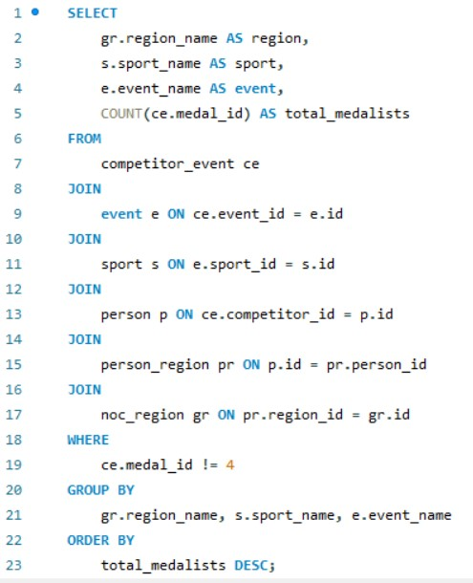
 |  | we see that some countries are really good at certain sports. Like the USA excels in many sports such as football and basketball, while Canada is strong in ice hockey. This happens because these countries focus a lot on these sports and spend a lot of money to help their athletes. But in the end, sports bring people together from all over the world, and we can all learn from each other, no matter where we're from.
...

Question 15
Question 15 .What are some notable instances of unexpected or surprising medal wins?

 | 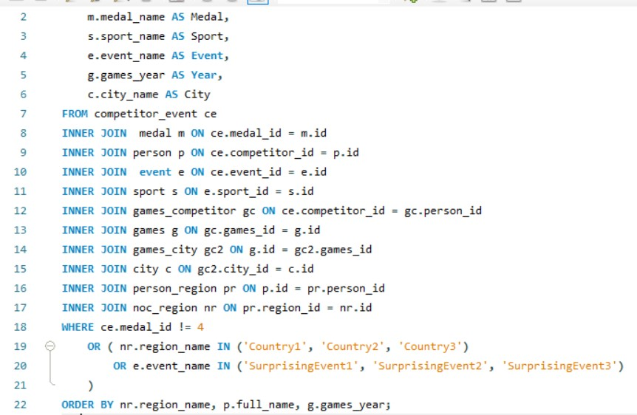 | The data tells us about many surprising moments when athletes from different countries won medals in the Olympics. It's amazing to see athletes from small places like American Samoa and Andorra, as well as bigger countries like Algeria and Angola, achieving success. These victories show us that anyone can succeed with hard work and determination, no matter where they come from. They inspire us and remind us of the true spirit of the Olympics, where unexpected heroes can emerge and make their mark on the world stage.
...

Question 16
Question 16. Are there any regions that have experienced significant growth or decline in Olympic participation?

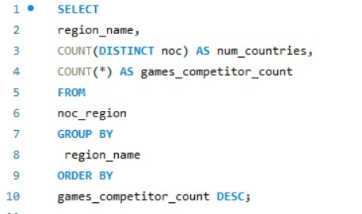
 |  |  | In conclusion, the data reveals a consistent pattern in Olympic participation across regions, with each region typically represented by only one country. There is no discernible trend indicating significant growth or decline in participation by region. This suggests a stable level of engagement in the Olympic Games across diverse geographical areas, with representation spanning a wide range of nations worldwide.

 | num_countries | games_competitor_count
Singapore | 2 | 2
Afghanistan | 1 | 1
Albania | 1 | 1
Algeria | 1 | 1
American Samoa | 1 | 1
Andorra | 1 | 1
Angola | 1 | 1
Antigua and Barbuda | 1 | 1
Argentina | 1 | 1
Armenia | 1 | 1
Aruba | 1 | 1
Australasia | 1 | 1
Australia | 1 | 1
Austria | 1 | 1
Azerbaijan | 1 | 1
Bahamas | 1 | 1
Bahrain | 1 | 1
Bangladesh | 1 | 1
Barbados | 1 | 1
Belarus | 1 | 1
Belgium | 1 | 1
Belize | 1 | 1
Benin | 1 | 1
Bermuda | 1 | 1
Bhutan | 1 | 1
Bohemia | 1 | 1
Boliva | 1 | 1
Bosnia and Herzegovina | 1 | 1
Botswana | 1 | 1
Brazil | 1 | 1
Brunei | 1 | 1
Bulgaria | 1 | 1
Burkina Faso | 1 | 1
Burundi | 1 | 1
Cambodia | 1 | 1
Cameroon | 1 | 1
Canada | 1 | 1
Cape Verde | 1 | 1
Cayman Islands | 1 | 1
Central African Republic | 1 | 1
Chad | 1 | 1
Chile | 1 | 1
China | 1 | 1
Colombia | 1 | 1
Comoros | 1 | 1
Cook Islands | 1 | 1
Costa Rica | 1 | 1
Crete | 1 | 1
Croatia | 1 | 1
Cuba | 1 | 1
...
region_name | num_countries | games_competitor_count
Singapore | 2 | 2
Afghanistan | 1 | 1
Albania | 1 | 1
Algeria | 1 | 1
American Samoa | 1 | 1
Andorra | 1 | 1
Angola | 1 | 1
Antigua and Barbuda | 1 | 1
Argentina | 1 | 1
Armenia | 1 | 1
Aruba | 1 | 1
Australasia | 1 | 1
Australia | 1 | 1
Austria | 1 | 1
Azerbaijan | 1 | 1
Bahamas | 1 | 1
Bahrain | 1 | 1
Bangladesh | 1 | 1
Barbados | 1 | 1
Belarus | 1 | 1
Belgium | 1 | 1
Belize | 1 | 1
Benin | 1 | 1
Bermuda | 1 | 1
Bhutan | 1 | 1
...

Question 18
Question 18 .Are there any regions that have had a notable impact on the overall medal tally?

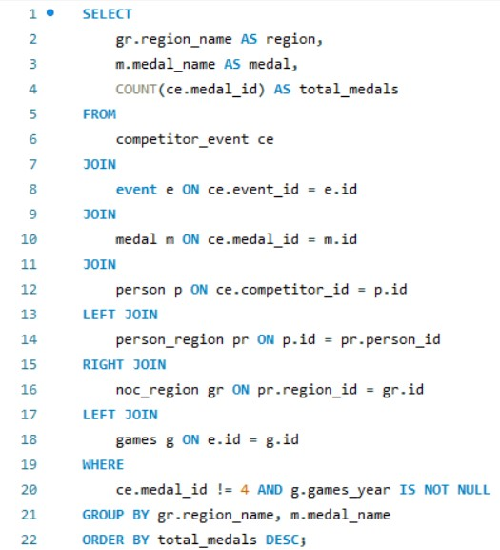

 | The USA stands out as the foremost contributor to the overall medal tally, displaying consistent excellence across gold, silver, and bronze categories. Following closely, the UK, Japan, Canada, and Germany have also made significant contributions to the medal count, demonstrating their prowess on the international stage. These nations collectively highlight the diversity and competitiveness of Olympic competition, showcasing excellence across a wide array of sporting disciplines. Their consistent presence among the top performers underscores their dedication to athletic achievement and sporting success.
...

